DEPARTURE TIME
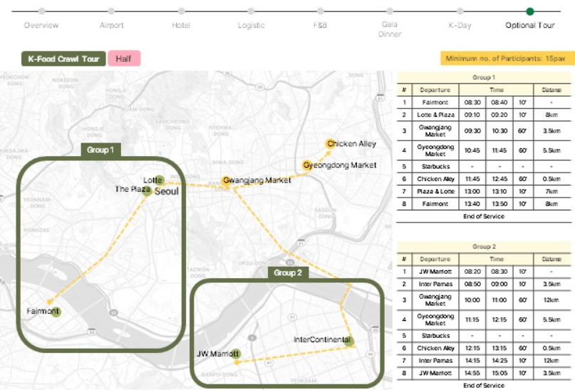
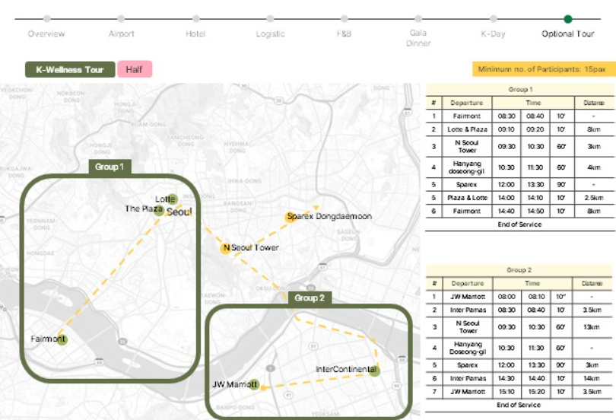
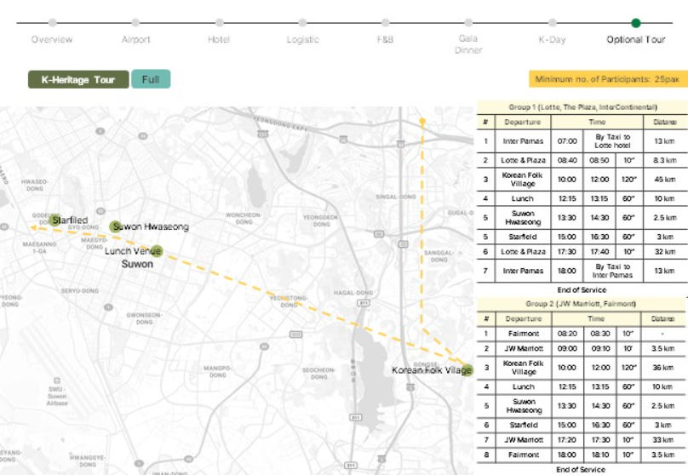
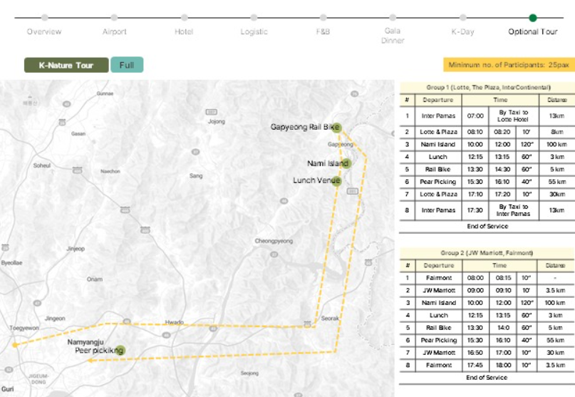
 |  | GROUP A | SUB-GROUP | DATE | GROUP B | SUB-GROUP | DATE
K-Heritage | Fairmont | 8:20:00 | A1 | 15 SEP 25 | 8:20:00 | B1 | 21 SEP 25
 | JW Marriott | 9:00:00 | A1 | 15 SEP 25 | 9:00:00 | B1 | 21 SEP 25
 | Inter Parnas | 7:00:00 | A2 | 14 SEP 25 | 7:30:00 | B2 | 19 SEP 25
 | Lotte | 8:40:00 | A2 | 14 SEP 25 | 8:40:00 | B2 | 19 SEP 25
 | The Plaza | 8:40:00 | A2 | 14 SEP 25 | 8:40:00 | B2 | 19 SEP 25

K-Nature | Fairmont | 8:00:00 | A1 | 15 SEP 25 | 8:00:00 | B1 | 21 SEP 25
 | JW Marriott | 9:00:00 | A1 | 15 SEP 25 | 9:00:00 | B1 | 21 SEP 25
 | Inter Parnas | 7:00:00 | A2 | 14 SEP 25 | 7:00:00 | B2 | No Available
 | Lotte | 8:10:00 | A2 | 14 SEP 25 | 8:10:00 | B2 | No Available
 | The Plaza | 8:10:00 | A2 | 14 SEP 25 | 8:10:00 | B2 | No Available

K-Food | Fairmont | 8:30:00 | A1 | 16 SEP 25 | 8:30:00 | B1 | 20 SEP 25
 | Lotte | 9:10:00 | A1 | 16 SEP 25 | 9:10:00 | B1 | 20 SEP 25
 | The Plaza | 9:10:00 | A2 | 16 SEP 25 | 9:10:00 | B2 | 20 SEP 25
 | JW Marriott | 8:20:00 | A2 | 16 SEP 25 | 8:20:00 | B2 | 20 SEP 25
 | Inter Parnas | 8:50:00 | A2 | 16 SEP 25 | 8:50:00 | B2 | 20 SEP 25

K-Wellness | Fairmont | 8:30:00 | A1 | 16 SEP 25 | 8:30:00 | B1 | 20 SEP 25
 | Lotte | 9:10:00 | A1 | 16 SEP 25 | 9:10:00 | B1 | 20 SEP 25
 | The Plaza | 9:10:00 | A2 | 16 SEP 25 | 9:10:00 | B2 | 20 SEP 25
 | JW Marriott | 8:00:00 | A2 | 16 SEP 25 | 8:00:00 | B2 | 20 SEP 25
 | Inter Parnas | 8:30:00 | A2 | 16 SEP 25 | 8:30:00 | B2 | 20 SEP 25

